Sheet8(inerquartile)
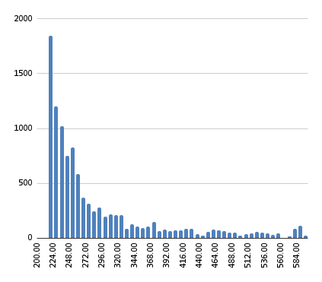
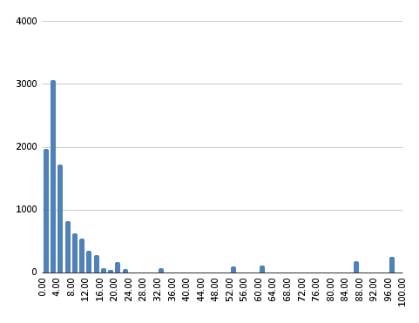
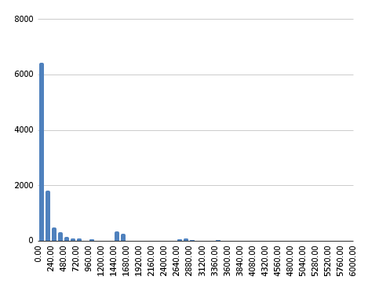
Recency |  | Frequency |  | Monetary

220 | Minimum of Recency | 1 | Minimum | 0 | Minimum of Monetry
230 | Percentile of Recency 25% | 2 | Percentile of Frequency 25% | 33 | Percentile of Monetry 25%
251 | Percentile of Recenc 50% | 4 | Percentile of Frequency 50% | 82 | Percentile of Monetry 50%
313 | Percentile of Recency 75% | 8 | Percentile of Frequency 75% | 189 | Percentile of Monetry 75%
593 | Maximum | 97 | Maximum | 5698 | Maximum

Recency Score |  | Frequency Score |  | Frequency Score

219-229 | 5 | 2023-04-01 | 1 | 0-33 | 1
229-250 | 4 | 2023-08-04 | 2 | 33-82 | 2
250-312 | 3 | 8-19 | 3 | 82-189 | 3
312-592 | 2 | 19-262 | 4 | 189-5698 | 4
592 | 1 | 262 | 5 | 5698 | 5

Recency Chart |  | Frequency Chart |  | Monetry Chart

Segmentation chart
